Sheet1
0 | Buka salah satu file template Excel yang akan dikirim/attach:
 | D:\GIT\OLS-Notes\Primbon OLS\Tiket Pak Firman\Monitor Result for Billing 16 Maret 2022 -OPL.xlsx

0 | Buka email Monitoring Billing Invoice yang diterima setiap hari (pagi).
 | Copy data di dalam table.

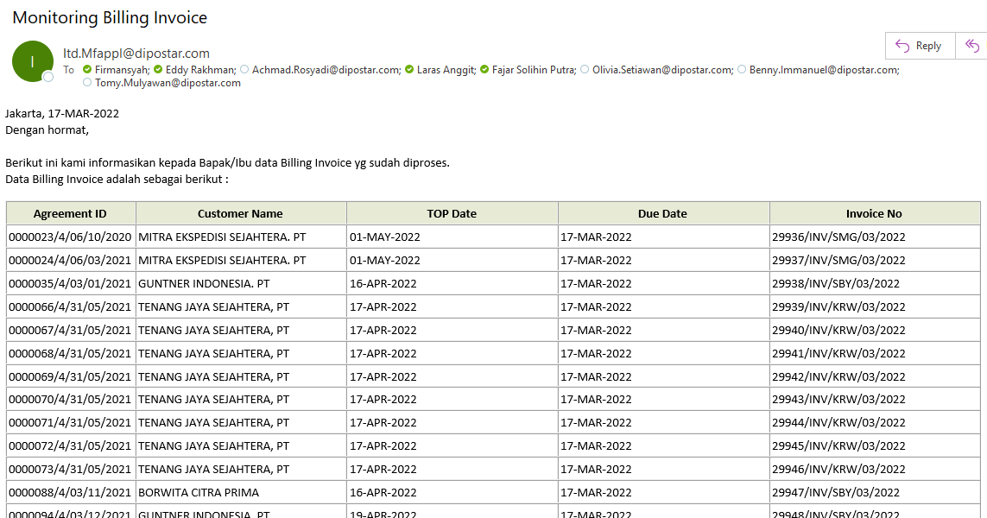
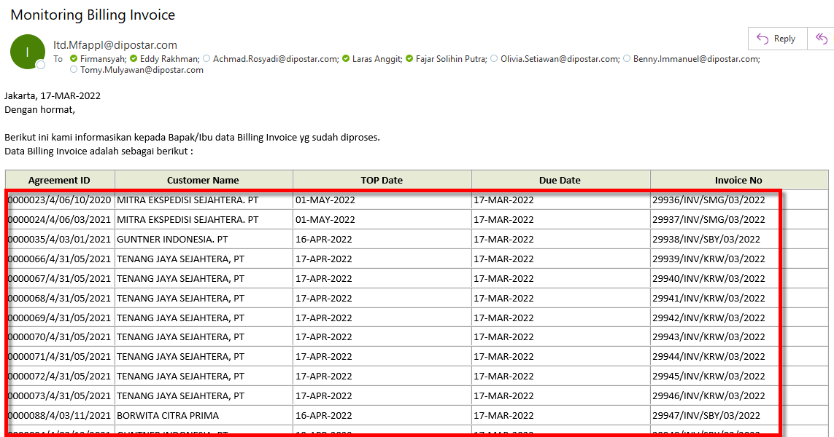

0 | Paste-kan ke dalam file template Excel di sheet DATA_MFAPPL.

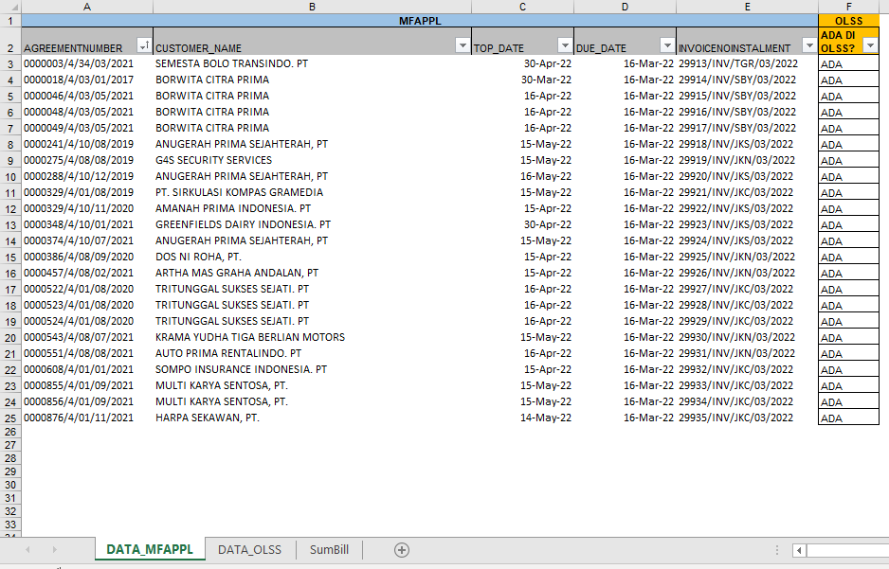
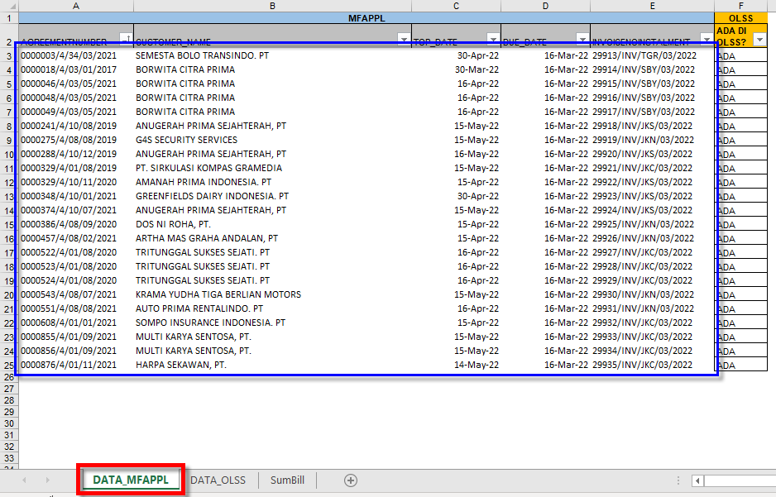

0 | Ambil data OLS dengan query di bawah ini & copy data-nya.
 | Kriteria/filter dbo.Tb_BIL_InvoiceReceipt.InvoiceIssueDate dirubah disesuaikan dengan tanggal sekarang.

 | select
 | dbo.OPLAgreement.AgreementNumber,
 | dbo.Customer.CustomerName,
 | dbo.Tb_BIL_PayScheduleDtl.StartPeriod,
 | dbo.Tb_BIL_PayScheduleDtl.EndPeriod,
 | dbo.Tb_BIL_PayScheduleDtl.PaymentSchedule,
 | dbo.Tb_BIL_InvoiceReceipt.InvoiceNoInstalment
 | from
 | dbo.Tb_BIL_PaySchedule
 | inner join dbo.Tb_BIL_PayScheduleDtl
 | on dbo.Tb_BIL_PaySchedule.IdTb_BIL_PaySchedule = dbo.Tb_BIL_PayScheduleDtl.IdTb_BIL_PaySchedule
 | inner join dbo.Tb_BIL_InvoiceReceipt
 | on dbo.Tb_BIL_PayScheduleDtl.IdTb_BIL_PayScheduleDtl = dbo.Tb_BIL_InvoiceReceipt.IdTb_BIL_PayScheduleDtl
 | inner join dbo.OPLAgreement
 | on dbo.Tb_BIL_PaySchedule.IdOPLAgreement = dbo.OPLAgreement.IdOPLAgreement
 | inner join dbo.Customer
 | on dbo.OPLAgreement.CustomerCode = dbo.Customer.CustomerCode
 | where
 | dbo.Tb_BIL_InvoiceReceipt.InvoiceIssueDate >= '2022-03-16'
 | and
 | dbo.Tb_BIL_PayScheduleDtl.EndPeriod >= '2022-03-16'
 | order by
 | dbo.Tb_BIL_PayScheduleDtl.EndPeriod;

0 | Paste-kan ke dalam file template Excel di sheet DATA_OLSS.

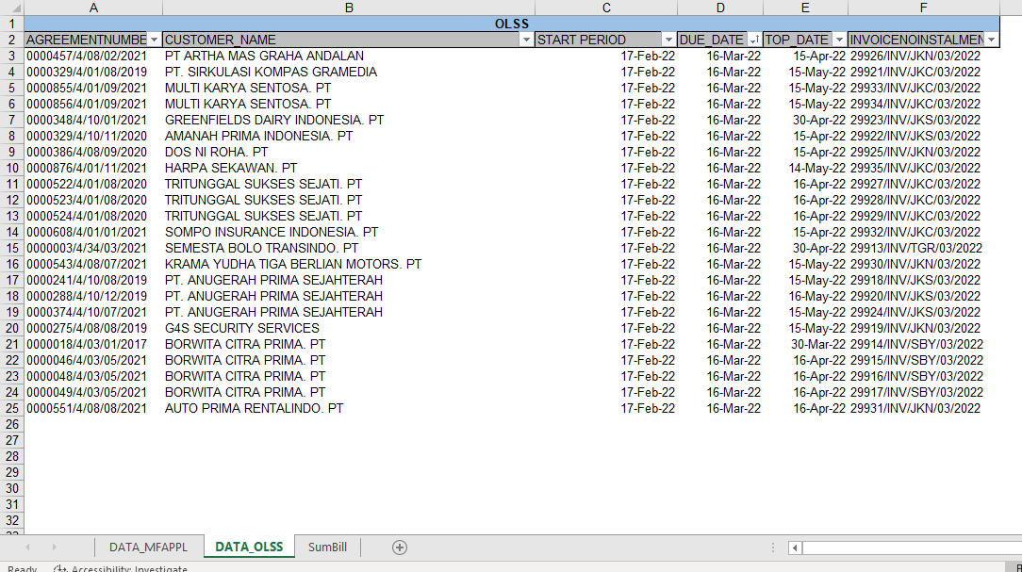
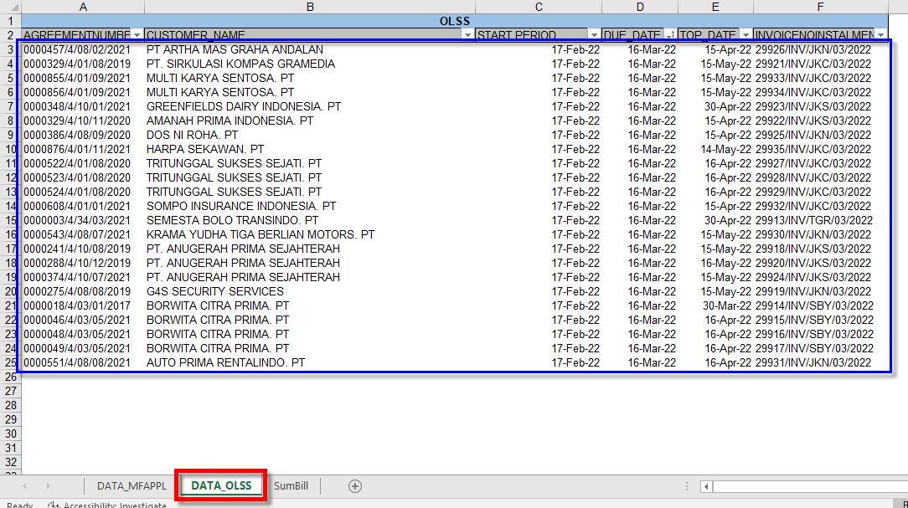

0 | Klik di area pivot table (kotak merah) sehingga tampil panel Format Shape (kotak biru).

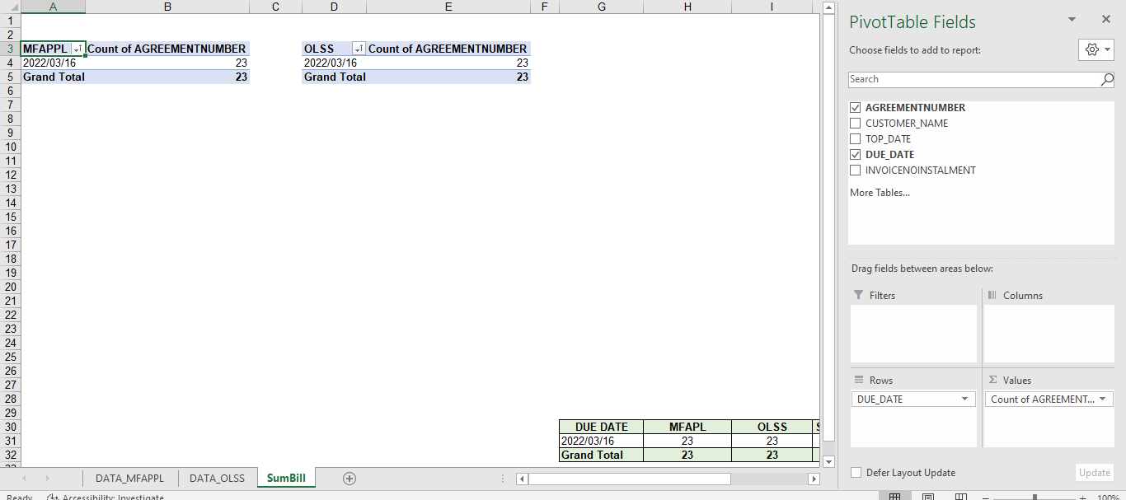
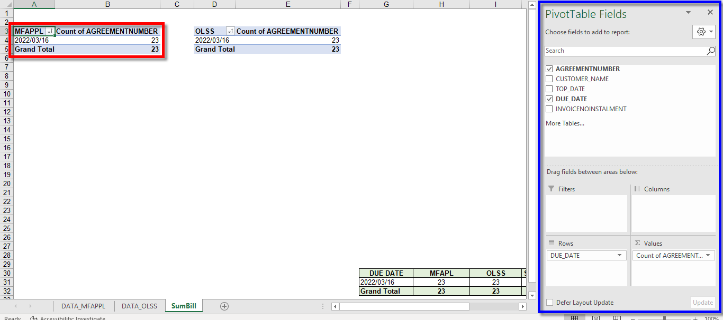

0 | Klik menu Analyze, lalu klik button Change Data Source, lalu klik menu Change Data Source.

0 | Sorot area di data seperti ini.

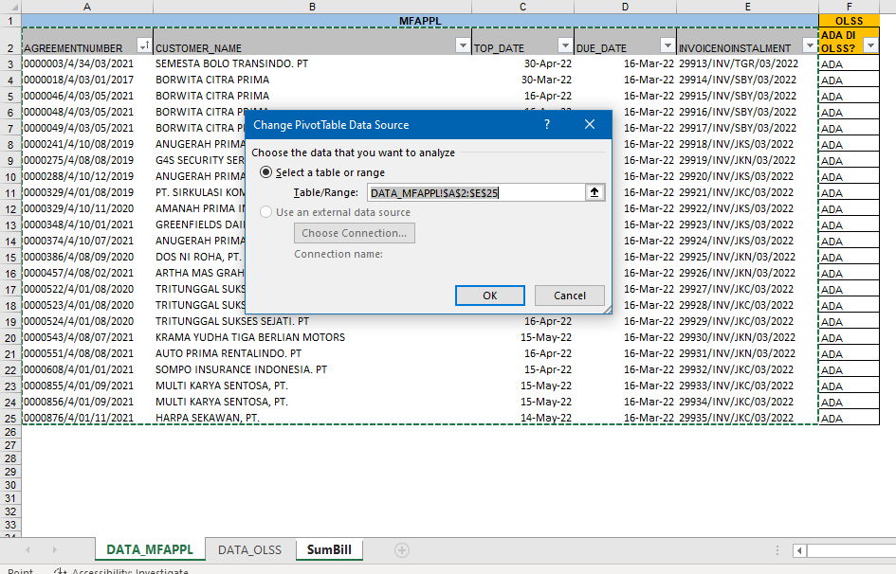
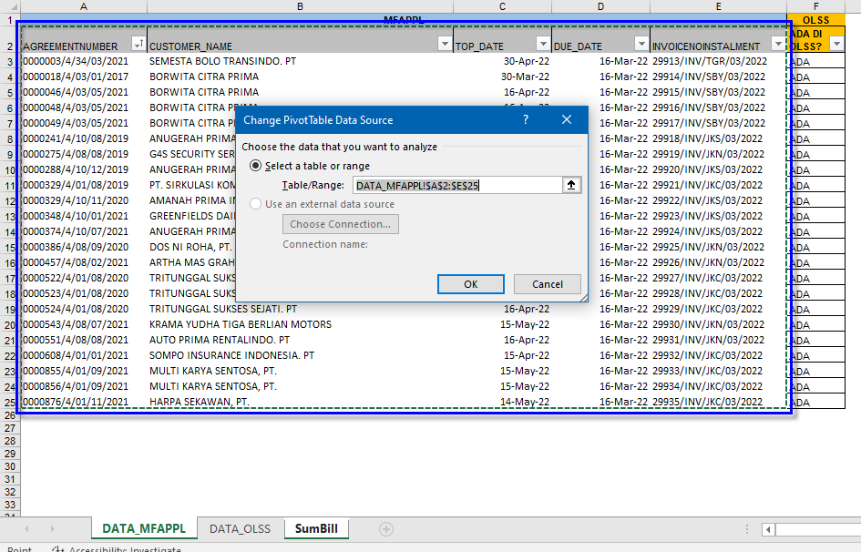

0 | Lakukan hal yang sama untuk data OLSS.

0 | Klik menu Analyze, lalu klik button Refresh, untuk me-refresh Pivot Table.

0 | Copy area ini.

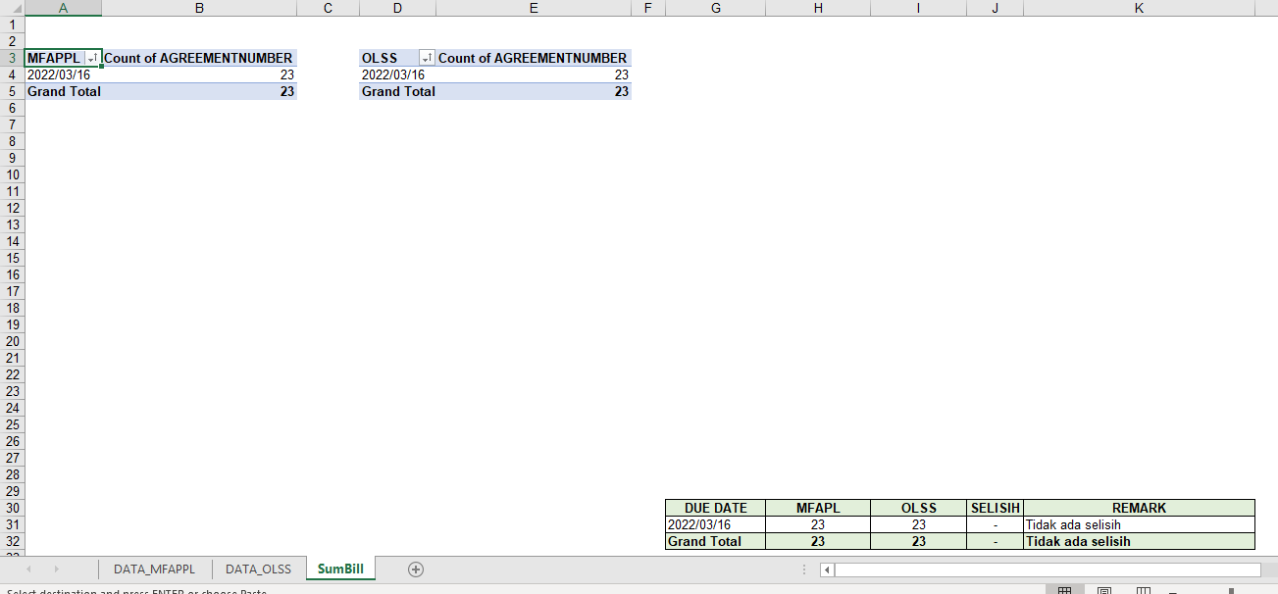
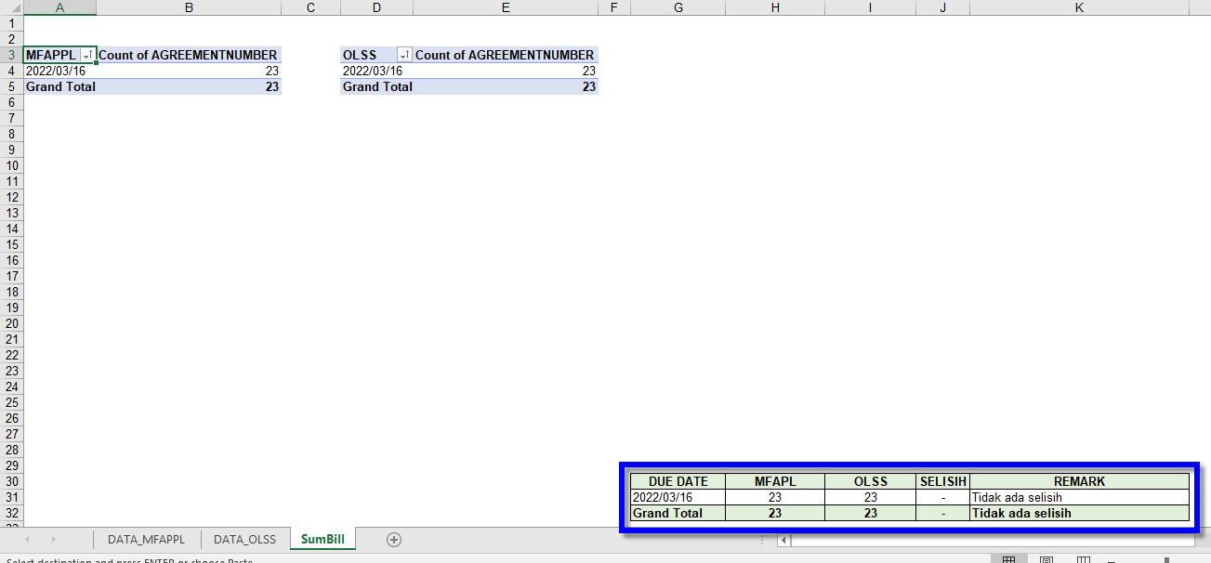

0 | Paste-kan di email yang akan dikirim seperti contoh ini.
 | Lampirkan/attach file Excel-nya.

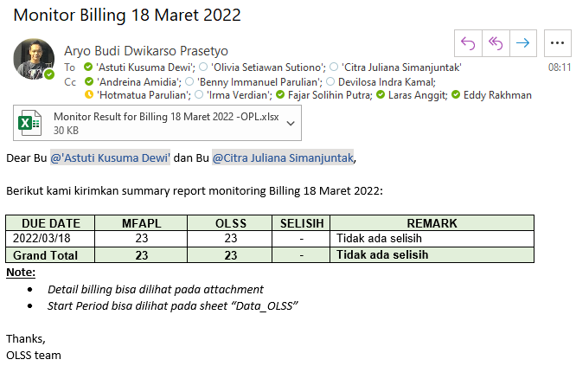

0 | Kirim email tersebut.
 | Done…!!!

SELISIH
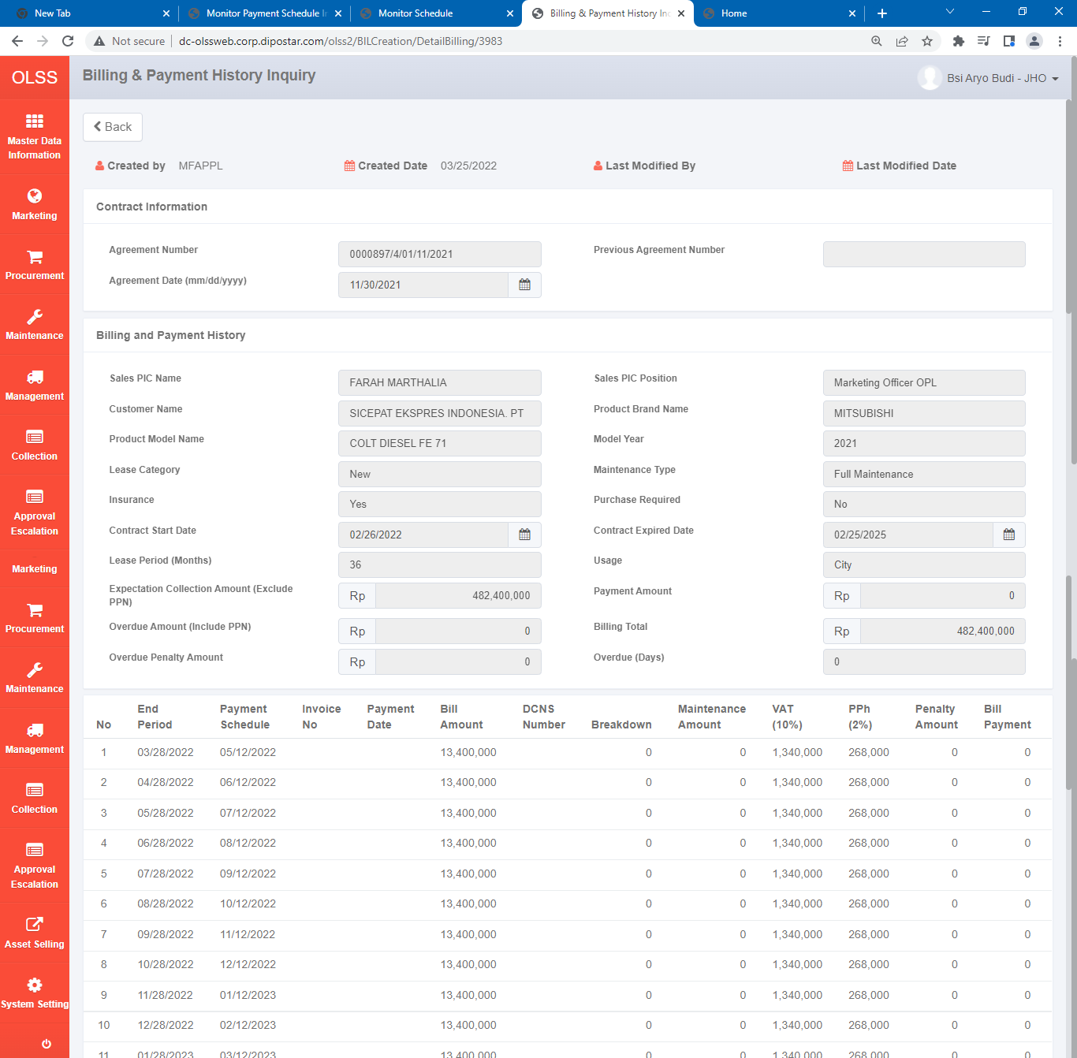
Catatan ini diambil dari:
Monitor Billing | 20220325FRI

mencari selisih perbedaan monitor billing
look for the difference between monitor billing

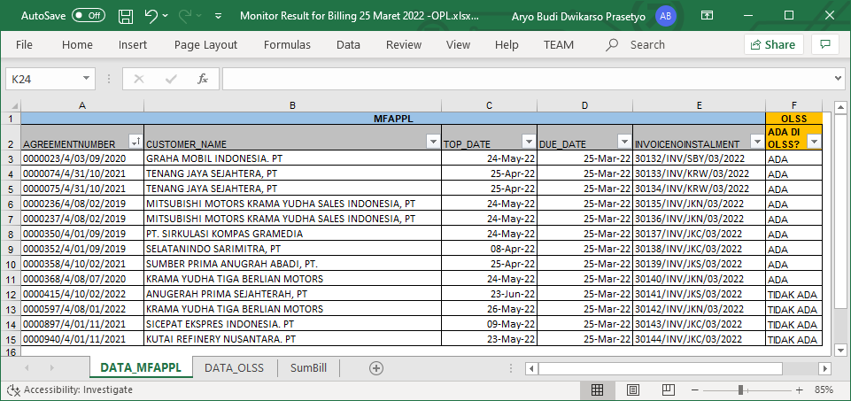

Tidak ada di OLS:
0000415/4/10/02/2022
0000597/4/08/01/2022
0000897/4/01/11/2021
0000940/4/01/11/2021

Contoh cek:

select a.*
from OPLAgreement a
where a.AgreementNumber = '0000415/4/10/02/2022';

select a.*
from Tb_BIL_PaySchedule a
where a.IdOPLAgreement = 2958;

select a.*
from Tb_BIL_PaySchedule a
where a.IdOPLAgreement = 2958;

select a.*
from Tb_BIL_PayScheduleDtl a
where a.IdTb_BIL_PaySchedule = 3984
order by a.StartPeriod desc, a.EndPeriod desc;

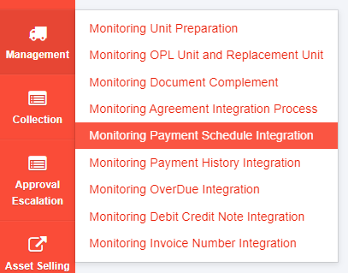

http://dc-olssweb.corp.dipostar.com/olss2/MGTIntegrationPaySchdl

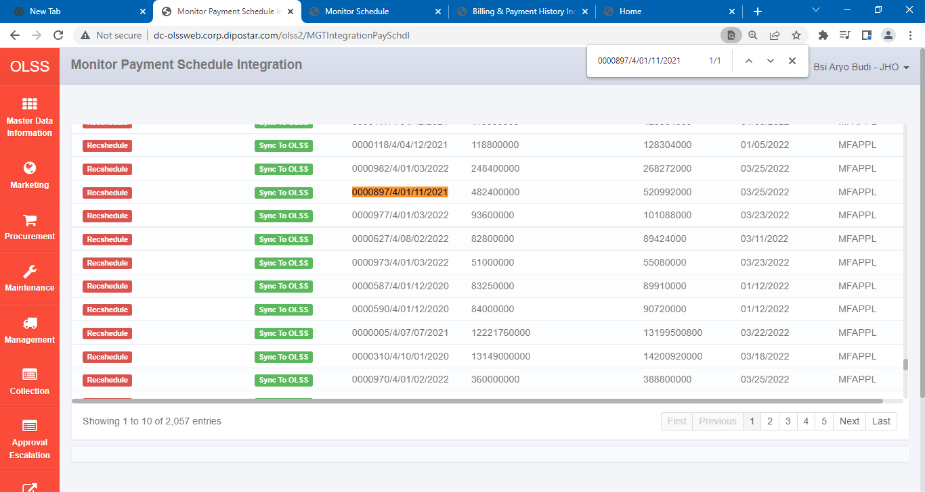
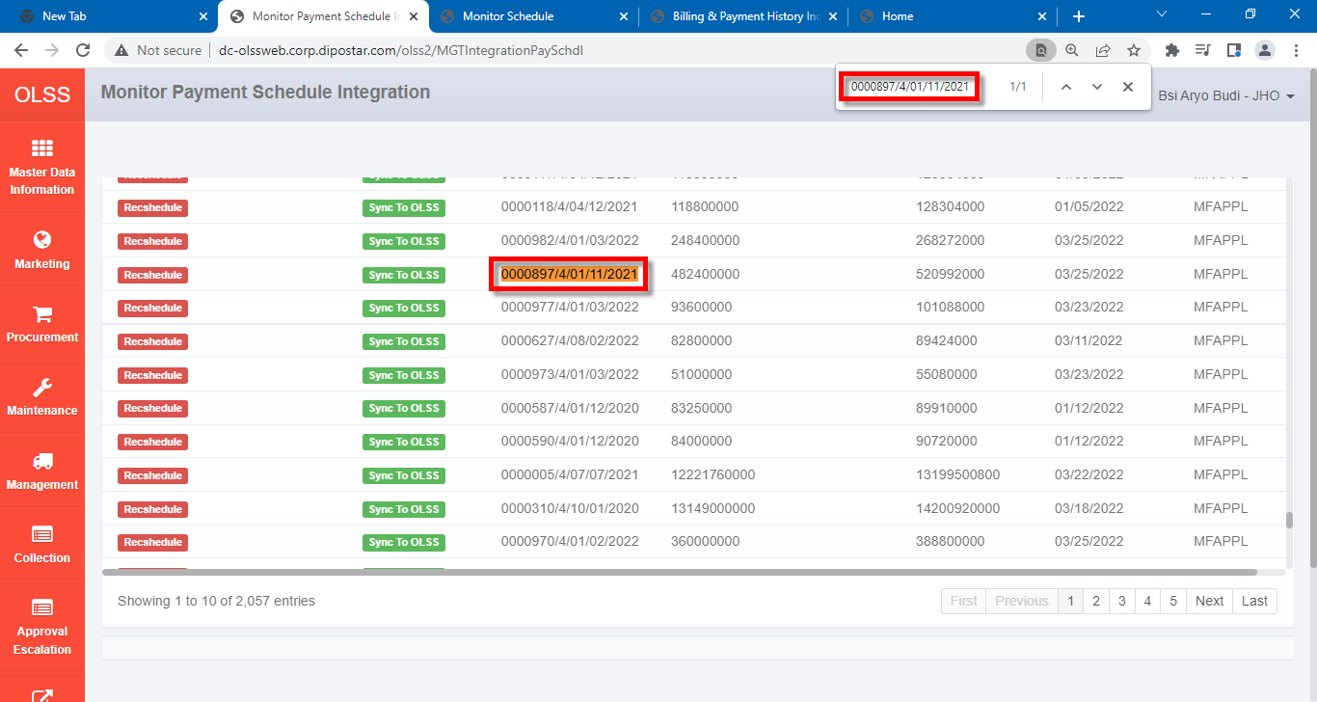

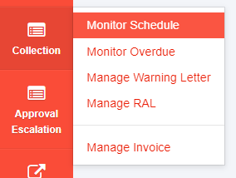

http://dc-olssweb.corp.dipostar.com/olss2/BILSchedule

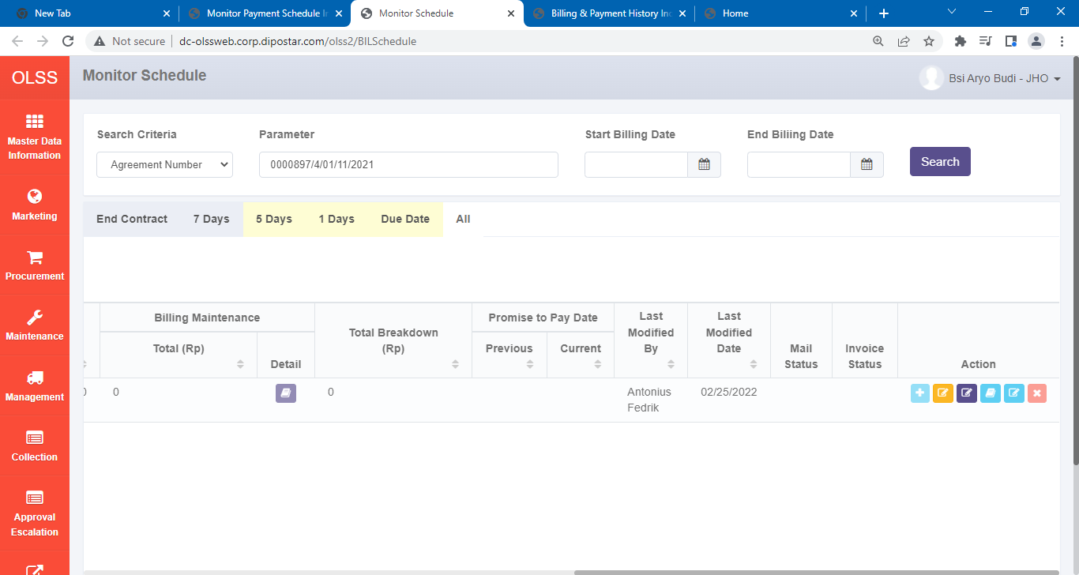
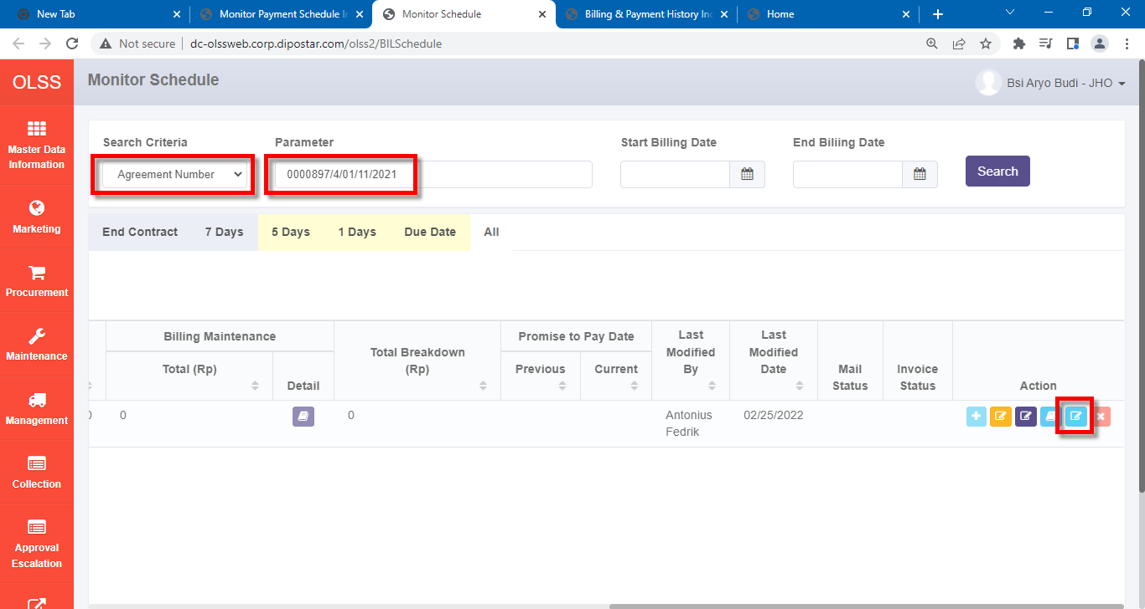

http://dc-olssweb.corp.dipostar.com/olss2/BILCreation/DetailBilling/3983

